Thorne
GIRLS UNITS
CAD | STYLE NUMBER | DESCRIPTION | COLOR CODE | COLOR DESCRIPTION | SIZE | Total Units | CASE PACK | TTL CASES | PACKAGING REFERNCE
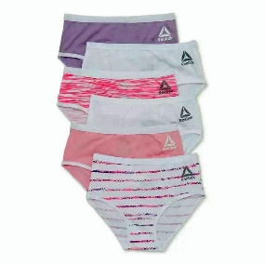 | RDZ221PB20001 | 6PK Cotton/Spandex Toddler Briefs | P1 | BEGONIA PINK SPACEDYE PRINT/ ORCHARD PETAL/ WHITE/ WHITE PRINT/ FAIRY TALE/ WHITE | 2T/3T | 28,944 | 24 | 1,206 | 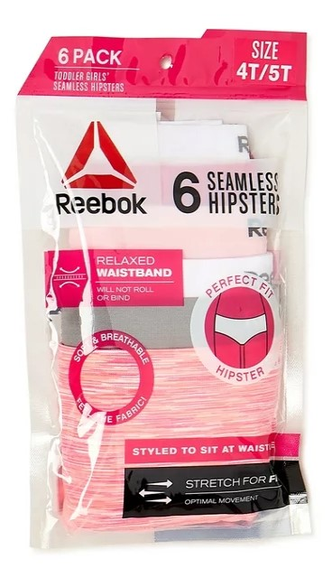
 | RDZ221PB20002 | 6PK Cotton/Spandex Toddler Briefs |  |  | 4T/5T | 45,744 | 24 | 1,906
 | RDZ221PB21001 | 6PK Seamless Toddler Hipster | P2 | NEON PINK SPACEDYE/ SHARKSKIN/ WHITE STRIPE MELANGE/ FAIRY TALE/ VIRTUAL PINK/ WHITE | 2T/3T | 34,680 | 24 | 1,445
 | RDZ221PB21002 | 6PK Seamless Toddler Hipster |  |  | 4T/5T | 50,232 | 24 | 2,093
 |  |  |  |  |  | 159,600 | 24 | 6650 | MYLAR BAG W/ HOOK

